Sheet1
 | Document No. |  | Issue No. | Issue Date |  |  | Review and Replace Date |  | Authorised By
 | GFF445MC |  | 1 | 04.07.2024 |  |  | New Issue |  | Magda Shah
 | Document Title |  | Takul - Onion Bhaji 160g
Document amendments reason for change | New launch |  |  |  | Page 1 of 1 |  | Previous Issue Date | New Issue | Uncontrolled copy unless signed original

COBHC3-R6TTA |  | TAKUL |  |  | ONION BHAJI 160G | CHILLED

 |  |  |  |  |  | 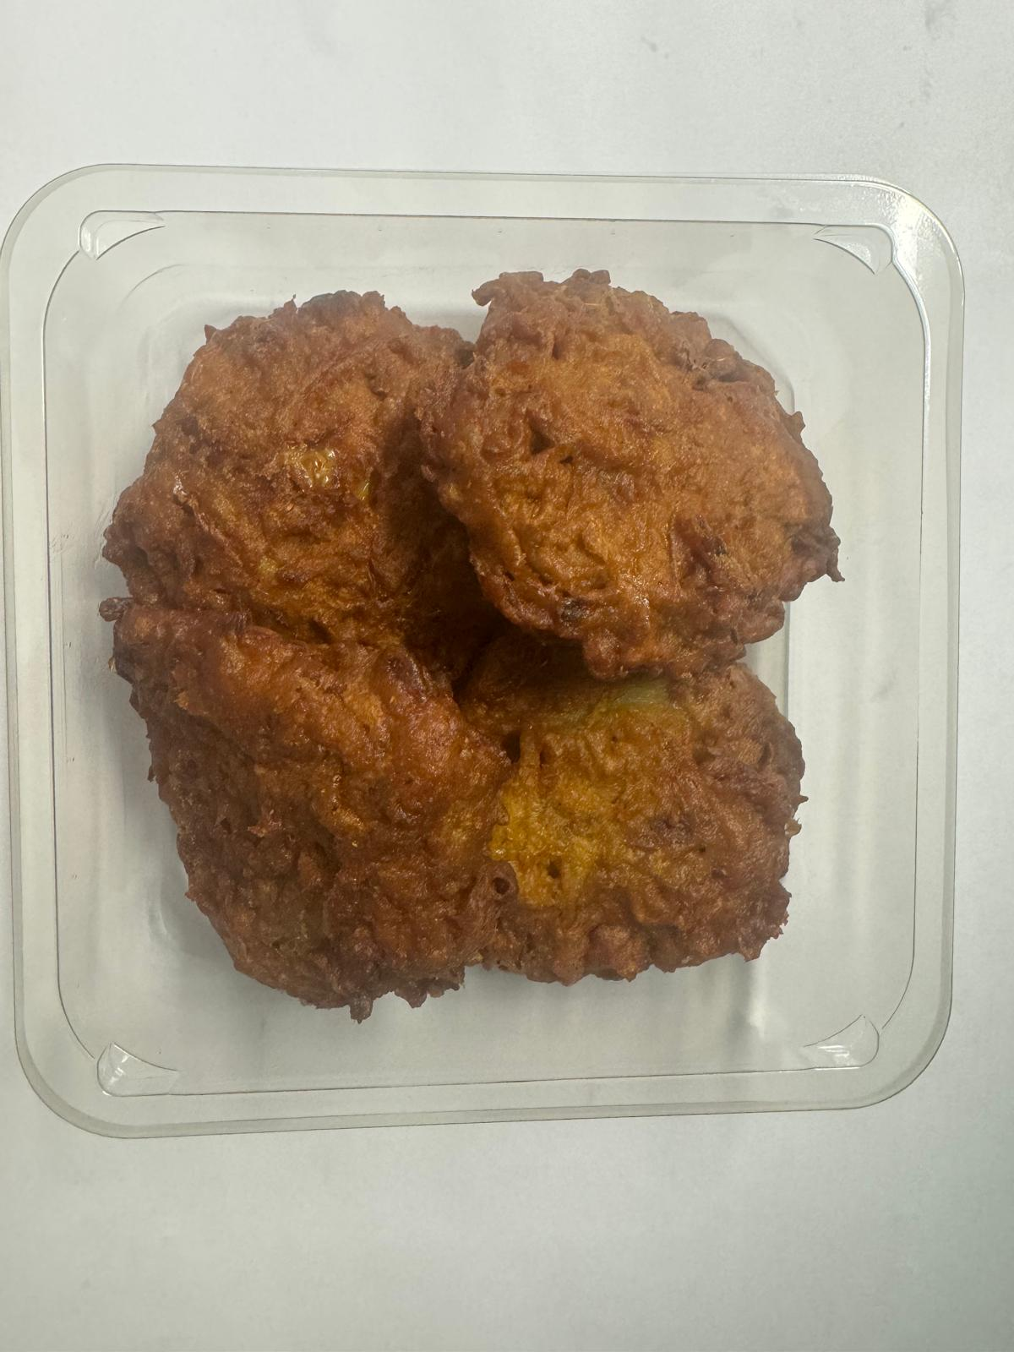

PACK
+ 1 YEAR

Tray: Grab & Go SQ Tray (141 X 141) (PKLEE001-13) |  |  |  |  |  | 4 x Onion Bhaji 40g (GFF121R) 160 g
Film: K peel 7G+25A/f-240mm (240mmX1000) (PKKMP001-08) |  |  |  |  |  | Total Weight: 160g
ALLERGY ALERT: none

